Front Page
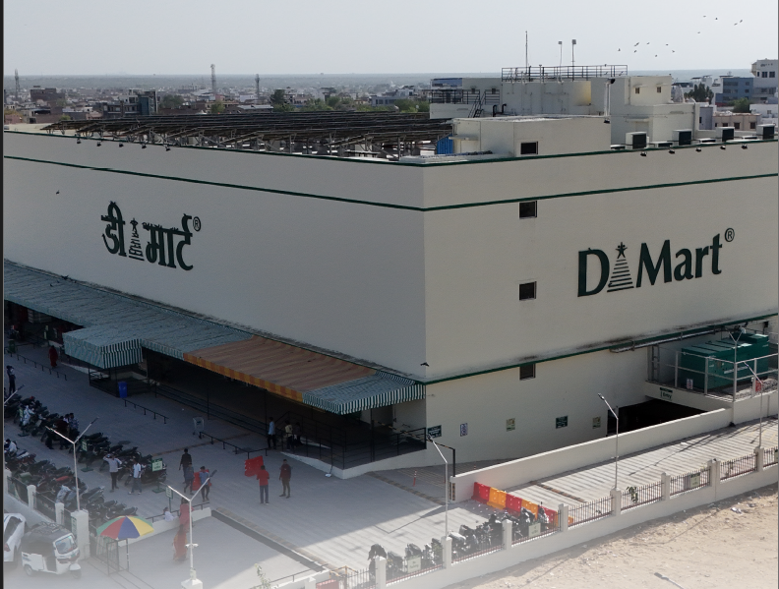


Equity Research Report & Valuation Model

 | 2026

 |  | Prepared by:

 |  |  | Pranesh MK

Index
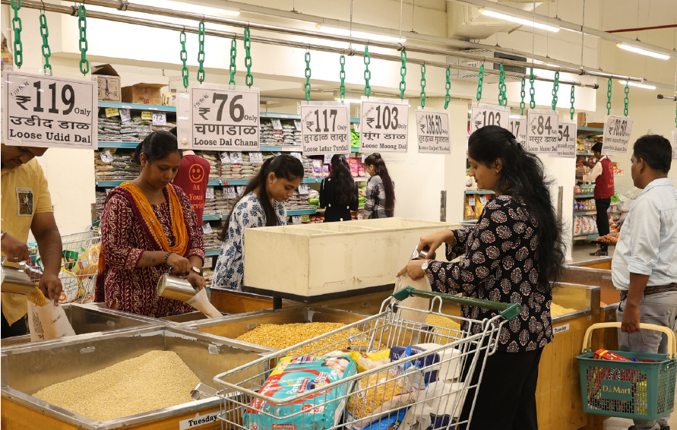
TABLE OF CONTENTS

S.No | Titles

1 | Introduction

2 | Operating & Financial Summary

3 | Ratio Analysis

4 | Profit & Loss Statement

5 | Profit & Loss Statement

6 | Balance Sheet

7 | Cash Flow Statement

8 | DCF Valuation

Introduction
Avenue Supermarts Limited - A One Page Financial Profile


 |  |  |  | Avenue Supermarts Limited is an Indian retail company that operates a chain of supermarkets under the DMart brand. DMart follows a value-retail business model, focusing on offering everyday products at competitive prices while maintaining relatively disciplined operating costs. The company's core business is the retailing of food, FMCG, general merchandise and apparel products through its network of physical stores. DMart's business model is based largely on the Everyday Low Cost/Everyday Low Price philosophy.

Key Financial Metrics:

 | Key Financial Metrics | Mar-20 | Mar-21 | Mar-22 | Mar-23 | Mar-24 | Mar-25 | Mar-26
 | Revenue from operations | 248,702.00 | 241,430.60 | 309,762.70 | 428,395.60 | 507,888.30 | 593,580.50 | 688,207.40
 | Revenue growth (Y-o-Y) | 24% | -3% | 28% | 38% | 19% | 17% | 16%
 | Gross profit margin (%) | 15% | 15% | 15% | 15% | 15% | 15% | 15%
 | EBITDA margin | 9% | 7% | 8% | 8% | 8% | 8% | 8%
 | EBIT margin | 7% | 6% | 6% | 7% | 7% | 6% | 6%
 | EBT margin | 7% | 6% | 7% | 7% | 7% | 6% | 6%
 | Net profit margin | 5% | 5% | 5% | 6% | 5% | 5% | 4%
 | Earnings Per Share (EPS) | 20.71 | 16.97 | 23.04 | 36.72 | 38.99 | 41.61 | 45.65
 | EPS Growth rate Y-o-Y | - | -18% | 36% | 59% | 6% | 7% | 10%
 | Market price | 2,218.00 | 2,885.00 | 4,013.00 | 341,305.00 | 4,570.00 | 4,109.75 | 4,075.00
 | Price-to-Earnings | 107.10 | 170.01 | 174.18 | 92.95 | 117.21 | 98.77 | 89.27
 | Price to book value | 221.80 x | 288.50 x | 401.30 x | 34,130.50 x | 457.00 x | 410.98 x | 407.50 x
 | Return on equity | 0.93% | 0.59% | 0.57% | 0.01% | 0.85% | 1.01% | 1.12%

 | Top shareholders | No.of shares | Shareholding % |  | Market value |  | Capital structure (in millions)
 | A. PROMOTERS: | 485,747,156.00 | 74.52% |  | 1,834,274.67 |  | Share price | 3,781.00
 | B. PUBLIC SHAREHOLDING: |  |  |  |  |  | Outstanding shares | 651.01
 | Central Government | 15,248.00 | 0.00% |  | - |  | Market capitalization | 2,461,452.86
 | Mutual Funds | 49,677,262.00 | 6.77% |  | 166,640.36 |  | Less: Cash | (965.60)
 | Banks | 6,187.00 | 0.00% |  | - |  | Add: Debt | 14,597.20
 | Insurance Companies | 3,915,195.00 | 0.47% |  | 11,568.83 |  | Enterprise Value | 2,475,084.46
Average Price History
 | Total
2020 | 2280.6283422
2021 | 3620.9114919
2022 | 4077.6554435
2023 | 3673.7089431
2024 | 4383.2403614
2025 | 4083.3016064
2026 | 4041.9933333
 | Foreign Portfolio Investor | 53,208,934.00 | 9.00% |  | 221,530.76
 | Alternate Investment Funds | 239,444.00 | 0.07% |  | 1,723.02
 | Provident Funds/Pension Funds | 5,261,246.00 | 1.46% |  | 35,937.21
 | Sovereign Wealth Funds | 430,903.00 | 0.07% |  | 1,723.02
 | Individuals | 49,969,654.00 | 7.19% |  | 176,978.46
 | NBFCs | 863.00 | 0.00% |  | -
 | Trust | 2,297.00 | 0.00% |  | -
 | Hindu Undivided Family | 517,942.00 | 0.07% |  | 1,723.02
 | Non-Resident Indians | 714,736.00 | 0.11% |  | 2,707.60
 | Clearing Member | 11,811.00 | 0.12% |  | 2,953.74
 | Bodies Corporate | 971,836.00 | 0.14% |  | 3,446.03
 | Body Corporate - Ltd Liability Partnership | 42,354.00 | 0.01% |  | 246.15
 | Total (A+B) | 650,733,068 | 100.00% |  | 2,461,452.86
Shareholder Breakdown
Promoter | 74.52%
Mutual Funds | 6.77%
Foreign Portfolio Investor | 9.00%
Provident Funds/Pension Funds | 1.46%
Individuals | 7.19%
Minority Shareholders | 1.06%
Volume Traded
 | Total
2020 | 119713620
2021 | 116165280
2022 | 102609300
2023 | 85452980
2024 | 138939140
2025 | 145453260
2026 | 93491040

Key Highlights:

 | Leadership transition: - Neville (Ignatius) Noronha stepped down as MD & CEO after 21 years, handing over to Anshul Asawa, who now leads the company and set out his early priorities in his first shareholder letter. Milestone year for scale: - DMart crossed 500 stores (opening its 500th at Avadi, Chennai, on the final day of the fiscal year) after adding 85 new stores in FY 2025-26 — retail business area grew to 20.6 million sq. ft., up from 17.2 million the year before. Growth strategy going forward: - Doubling down on the EDLC/EDLP (Everyday Low Cost/Everyday Low Price) model as the core competitive moat, with management flagging that losing this pricing edge is one of the company's biggest listed risks. - Plans to simplify and automate execution processes to improve efficiency and service quality.

Operating and Financial Summary
 | Operating and Financial Summary

Retail Area at Fiscal Year End (In Millions)
 | Retail sales area
2020-21 | 8.8
2021-22 | 11.5
2022-23 | 13.4
2023-24 | 15.1
2024-25 | 17.2
2025-26 | 20.6
Sales Revenue Per Retail Sq.ft Area
 | Revenue from sales from per retail sales area sq.ft
2020-21 | 27306
2021-22 | 27454
2022-23 | 31096
2023-24 | 32941
2024-25 | 33869
2025-26 | 33422

Revenue From Operations
 | Revenue from operations
2020-21 | 241431
2021-22 | 309763
2022-23 | 428396
2023-24 | 507888
2024-25 | 593581
2025-26 | 688207
EBITA v/s EBITA Margin
 | EBIT | EBIT margin
2020-21 | 13289 | 6%
2021-22 | 20004 | 6%
2022-23 | 29982 | 7%
2023-24 | 33730 | 7%
2024-25 | 36178 | 6%
2025-26 | 41496 | 6%
Net Profit v/s Net Profit Margin
 | Net Profit | Net profit margin
2020-21 | 10994 | 5%
2021-22 | 14924 | 5%
2022-23 | 23783 | 6%
2023-24 | 25356 | 5%
2024-25 | 27074 | 5%
2025-26 | 29706 | 4%

Operating Cashflow Over The Years
 | Net cash flow from operating activities
2020-21 | 13751
2021-22 | 13724
2022-23 | 26303
2023-24 | 27458
2024-25 | 24630
2025-26 | 34667
Cash Coversion Cycle Ove The Years
 | Cash Conversion Cycle
2020-21 | 28.75
2021-22 | 27.09
2022-23 | 23.90
2023-24 | 23.73
2024-25 | 25.95
2025-26 | 27.45
Return On Net Worth & Capital Employed
 | Return on Net Worth | Return on Capital Employed
2020-21 | 9% | 8%
2021-22 | 12% | 10%
2022-23 | 16% | 15%
2023-24 | 15% | 13%
2024-25 | 13% | 12%
2025-26 | 13% | 11%

Sources: | Sources:

 |  | Dmart official website | https://www.dmartindia.com/investor-relations/investor-updates/2026-2027
 |  | Screener | https://www.screener.in/company/DMART/consolidated/
 |  | Yahoo finance | https://finance.yahoo.com/quote/DMART.NS/history/?period1=1775001600&period2=1777507200
 |  | Investing.com | https://in.investing.com/equities/avenue-supermarts-ltd-historical-data

